Sheet1
 | Document No. | Issue No. | Issue Date |  | Review and Replace Date |  |  | Authorised By
 | GFF007MC | 2 | 23.09.2018 |  | 22.11.2019 |  |  | Magda Shah
 | Document Title | Spinach Pakora 30g - Deli
Document amendments reason for change | Document reviewed, shelf life amended |  |  | Page 1 of 1 |  | Previous Issue Date | 23.09.2018 | Uncontrolled copy unless signed original

CVSPKC-B20X1TEB | BOOTHS - DELI | SPINACH PAKORA 30G
STEP 1 |  |  |  | STEP 2
 |  |  |  | 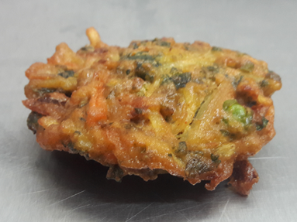 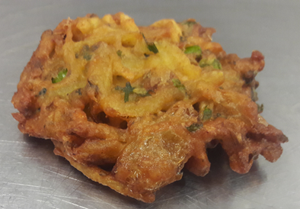

Tray: H3H 50 - CLEAR (PKNUT001-07) |  |  |  | SPINACH PAKORA (GFF213R): 30g x 20 units
Film: 410AF (PKPRO001-10)
STEP 3
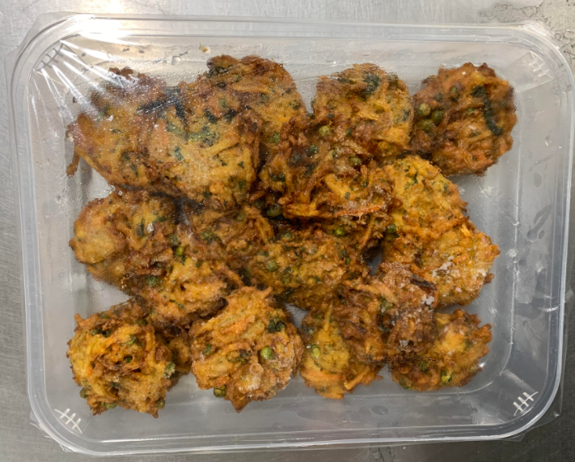

TOTAL WEIGHT: 600g (20 units)

ALLERGY ALERT: NONE

